Sheet1
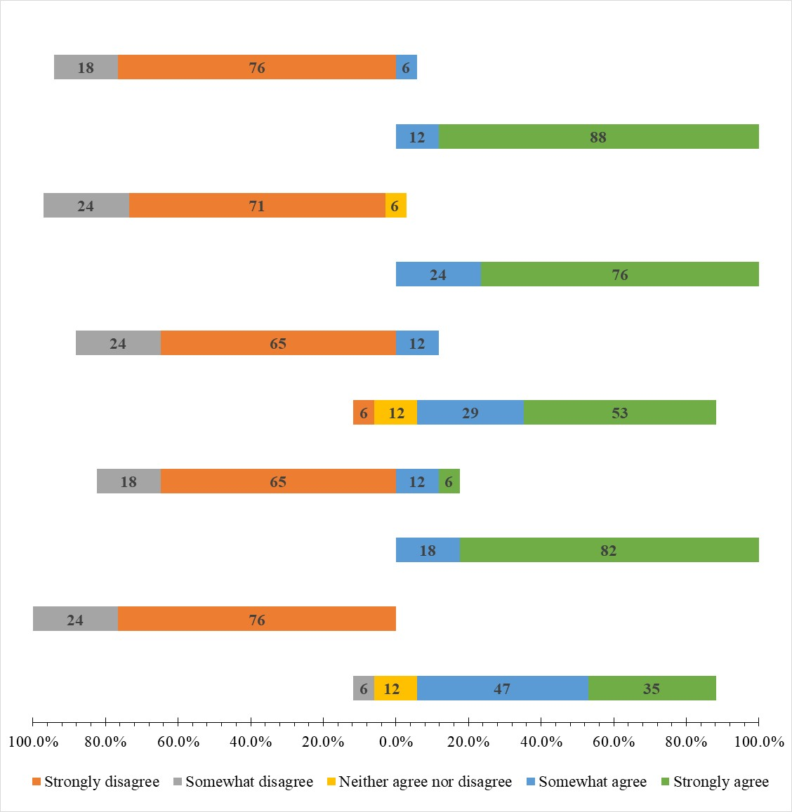
 |  |  |  |  |  |  |  |  |  |  |  |  |  |  |  |  |  |  |  |  |  |  | Neither agree nor disagree | Strongly disagree | Somewhat disagree | Neither agree nor disagree | Somewhat agree | Strongly agree
q1 | q2 | q3 | q4 | q5 | q6 | q7 | q8 | q9 | q10 |  |  |  |  |  |  |  |  |  |  |  |  | q1 | 11.764705882 | 0 | 5.8823529412 | 11.764705882 | 47.058823529 | 35.294117647 |  |  |  |  |  |  |  |  |  |  | Strongly disagree | Somewhat disagree | Neither agree nor disagree | Neither agree nor disagree | Somewhat agree | Strongly agree
4 | 1 | 4 | 1 | 5 | 1 | 5 | 1 | 5 | 1 |  |  | q1 | q2 | q3 | q4 | q5 | q6 | q7 | q8 | q9 | q10 | q2 | 0 | 76.470588235 | 23.529411765 | 0 | 0 | 0 |  |  |  |  |  |  |  |  |  | q1 | 0 | -6 | -6 | 6 | 47 | 35
4 | 1 | 5 | 1 | 4 | 1 | 5 | 1 | 5 | 2 | Strongly disagree | 1 | 0 | 76.470588235 | 0 | 64.705882353 | 5.8823529412 | 64.705882353 | 0 | 70.588235294 | 0 | 76.470588235 | q3 | 0 | 0 | 0 | 0 | 17.647058824 | 82.352941176 |  |  |  |  |  |  |  |  |  | q2 | -76 | -24 | 0 | 0 | 0 | 0
5 | 1 | 5 | 5 | 5 | 2 | 5 | 3 | 5 | 1 | Somewhat disagree | 2 | 5.8823529412 | 23.529411765 | 0 | 17.647058824 | 0 | 23.529411765 | 0 | 23.529411765 | 0 | 17.647058824 | q4 | 0 | 64.705882353 | 17.647058824 | 0 | 11.764705882 | 5.8823529412 |  |  |  | Neither agree nor disagree | Somewhat disagree | Strongly disagree | Neither agree nor disagree | Somewhat agree | Strongly agree | q3 | 0 | 0 | 0 | 0 | 18 | 82
5 | 1 | 5 | 1 | 5 | 1 | 5 | 1 | 5 | 1 | Neither agree nor disagree | 3 | 11.764705882 | 0 | 0 | 0 | 11.764705882 | 0 | 0 | 5.8823529412 | 0 | 0 | q5 | 11.764705882 | 5.8823529412 | 0 | 11.764705882 | 29.411764706 | 52.941176471 |  |  | q1 | -6 | -6 | 0 | 6 | 47 | 35 | q4 | -65 | -18 | 0 | 0 | 12 | 6
3 | 2 | 5 | 2 | 3 | 2 | 5 | 2 | 4 | 4 | Somewhat agree | 4 | 47.058823529 | 0 | 17.647058824 | 11.764705882 | 29.411764706 | 11.764705882 | 23.529411765 | 0 | 11.764705882 | 5.8823529412 | q6 | 0 | 64.705882353 | 23.529411765 | 0 | 11.764705882 | 0 |  |  | q2 | 0 | -24 | -76 | 0 | 0 | 0 | q5 | -6 | 0 | -6 | 6 | 29 | 53
4 | 1 | 5 | 2 | 4 | 1 | 4 | 1 | 5 | 1 | Strongly agree | 5 | 35.294117647 | 0 | 82.352941176 | 5.8823529412 | 52.941176471 | 0 | 76.470588235 | 0 | 88.235294118 | 0 | q7 | 0 | 0 | 0 | 0 | 23.529411765 | 76.470588235 |  |  | q3 | 0 | 0 | 0 | 0 | 18 | 82 | q6 | -65 | -24 | 0 | 0 | 12 | 0
2 | 1 | 5 | 1 | 5 | 1 | 5 | 1 | 5 | 1 |  |  |  |  |  |  |  |  |  |  |  |  | q8 | 5.8823529412 | 70.588235294 | 23.529411765 | 5.8823529412 | 0 | 0 |  |  | q4 | 0 | -18 | -65 | 0 | 12 | 6 | q7 | 0 | 0 | 0 | 0 | 24 | 76
5 | 1 | 5 | 1 | 5 | 1 | 5 | 1 | 5 | 1 |  |  |  |  |  |  |  |  |  |  |  |  | q9 | 0 | 0 | 0 | 0 | 11.764705882 | 88.235294118 |  |  | q5 | -6 | 0 | -6 | 6 | 29 | 53 | q8 | -71 | -24 | -3 | 3 | 0 | 0
4 | 1 | 5 | 1 | 5 | 1 | 5 | 1 | 5 | 1 |  |  |  |  |  |  |  |  |  |  |  |  | q10 | 0 | 76.470588235 | 17.647058824 | 0 | 5.8823529412 | 0 |  |  | q6 | 0 | -24 | -65 | 0 | 12 | 0 | q9 | 0 | 0 | 0 | 0 | 12 | 88
5 | 1 | 4 | 4 | 1 | 1 | 5 | 2 | 5 | 1 |  |  |  |  |  |  |  |  |  |  |  |  |  |  |  |  |  |  |  |  |  | q7 | 0 | 0 | 0 | 0 | 24 | 76 | q10 | -76 | -18 | 0 | 0 | 6 | 0
4 | 2 | 5 | 2 | 4 | 2 | 5 | 1 | 5 | 2 | Strongly disagree |  | 0 | 76.470588235 | 0 | 64.705882353 | 5.8823529412 | 64.705882353 | 0 | 70.588235294 | 0 | 76.470588235 |  | Neither agree nor disagree | Strongly disagree | Somewhat disagree | Neither agree nor disagree | Somewhat agree | Strongly agree |  |  | q8 | -3 | -24 | -71 | 3 | 0 | 0
3 | 2 | 4 | 4 | 3 | 2 | 4 | 2 | 4 | 2 | Somewhat disagree |  | 5.8823529412 | 23.529411765 | 0 | 17.647058824 | 0 | 23.529411765 | 0 | 23.529411765 | 0 | 17.647058824 | q1 | -5.8823529412 | 0 | -5.8823529412 | 5.8823529412 | 47.058823529 | 35.294117647 |  |  | q9 | 0 | 0 | 0 | 0 | 12 | 88
4 | 1 | 5 | 1 | 5 | 1 | 5 | 1 | 5 | 1 | Neither agree nor disagree |  | 11.764705882 | 0 | 0 | 0 | 11.764705882 | 0 | 0 | 5.8823529412 | 0 | 0 | q2 | 0 | -76.470588235 | -23.529411765 | 0 | 0 | 0 |  |  | q10 | 0 | -18 | -76 | 0 | 6 | 0
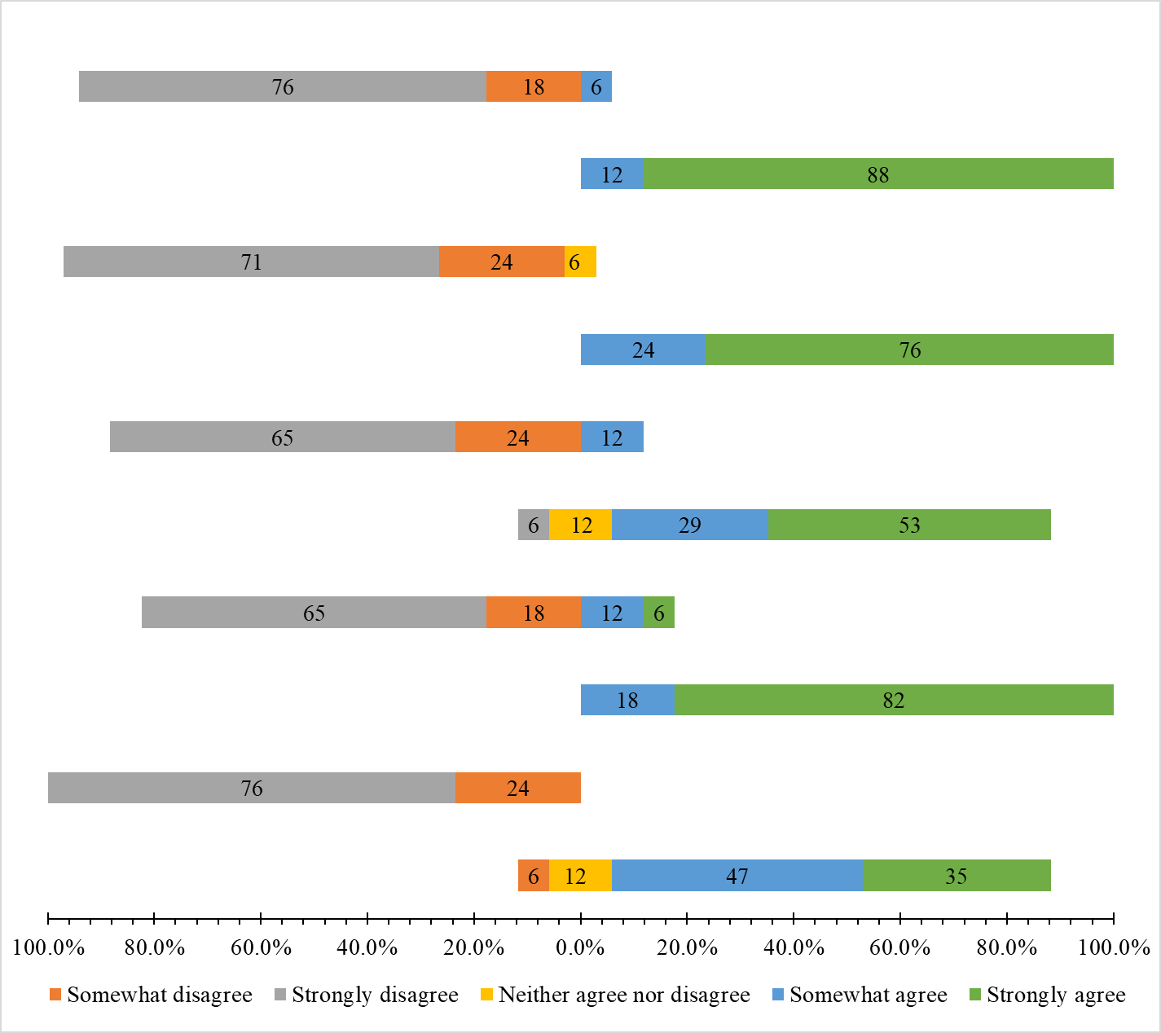
5 | 1 | 5 | 1 | 5 | 1 | 5 | 1 | 5 | 1 | Somewhat agree |  | 47.058823529 | 0 | 17.647058824 | 11.764705882 | 29.411764706 | 11.764705882 | 23.529411765 | 0 | 11.764705882 | 5.8823529412 | q3 | 0 | 0 | 0 | 0 | 17.647058824 | 82.352941176
5 | 1 | 5 | 1 | 4 | 4 | 5 | 1 | 5 | 1 | Strongly agree |  | 35.294117647 | 0 | 82.352941176 | 5.8823529412 | 52.941176471 | 0 | 76.470588235 | 0 | 88.235294118 | 0 | q4 | 0 | -64.705882353 | -17.647058824 | 0 | 11.764705882 | 5.8823529412
4 | 2 | 5 | 1 | 4 | 4 | 4 | 1 | 5 | 1 |  |  |  |  |  |  |  |  |  |  |  |  | q5 | -5.8823529412 | -5.8823529412 | 0 | 5.8823529412 | 29.411764706 | 52.941176471
4 | 1 | 5 | 1 | 5 | 1 | 4 | 2 | 5 | 1 |  |  |  |  |  |  |  |  |  |  |  |  | q6 | 0 | -64.705882353 | -23.529411765 | 0 | 11.764705882 | 0
 |  |  |  |  |  |  |  |  |  |  |  |  |  |  |  |  |  |  |  |  |  | q7 | 0 | 0 | 0 | 0 | 23.529411765 | 76.470588235
 |  |  |  |  |  |  |  |  |  |  |  |  |  |  |  |  |  |  |  |  |  | q8 | -2.9411764706 | -70.588235294 | -23.529411765 | 2.9411764706 | 0 | 0
 |  |  |  |  |  |  |  |  |  |  |  |  |  |  |  |  |  |  |  |  |  | q9 | 0 | 0 | 0 | 0 | 11.764705882 | 88.235294118
 |  |  |  |  |  |  |  |  |  |  |  |  |  |  |  |  |  |  |  |  |  | q10 | 0 | -76.470588235 | -17.647058824 | 0 | 5.8823529412 | 0

 |  |  |  |  |  |  |  |  |  |  |  |  |  |  |  |  |  |  |  |  |  |  |  |  | 12 |  | 6 | 6 | 47 | 35
 |  |  |  |  |  |  |  |  |  |  |  |  |  |  |  |  |  |  |  |  |  |  |  |  |  | 76 | 24
 |  |  |  |  |  |  |  |  |  |  |  |  |  |  |  |  |  |  |  |  |  |  |  |  |  |  |  |  | 18 | 82
 |  |  |  |  |  |  |  |  |  |  |  |  |  |  |  |  |  |  |  |  |  |  |  |  |  | 65 | 18 |  | 12 | 6
 |  |  |  |  |  |  |  |  |  |  |  |  |  |  |  |  |  |  |  |  |  |  |  |  | 12 | 6 |  | 6 | 29 | 53
 |  |  |  |  |  |  |  |  |  |  |  |  |  |  |  |  |  |  |  |  |  |  |  |  |  | 65 | 24 |  | 12
 |  |  |  |  |  |  |  |  |  |  |  |  |  |  |  |  |  |  |  |  |  |  |  |  |  |  |  |  | 24 | 76
 |  |  |  |  |  |  |  |  |  |  |  |  |  |  |  |  |  |  |  |  |  |  |  |  | 6 | 71 | 24 | 3
 |  |  |  |  |  |  |  |  |  |  |  |  |  |  |  |  |  |  |  |  |  |  |  |  |  |  |  |  | 12 | 88
 |  |  |  |  |  |  |  |  |  |  |  |  |  |  |  |  |  |  |  |  |  |  |  |  |  | 76 | 18 |  | 6

